Sheet1
 |  | Document No. | Issue No. | Issue Date |  | Review and Replace Date |  | Authorised By
 |  | GFF413MC | 1 | 18.10.2023 |  | New Document |  | Magda Shah
 |  | Document Title | 8 Tandoori Chicken Skewers W/Raita Dip | 240G
Document amendments reason for change |  | New Document |  |  | Page 1 of 1 | Previous Issue Date | New Document | Uncontrolled copy unless signed original

CCTASKB-R1TEB | BOOTHS - XMAS |  | 8 Tandoori Chicken Skewers W/Raita Dip | 240G
STEP 1 |  |  |  |  | STEP 2
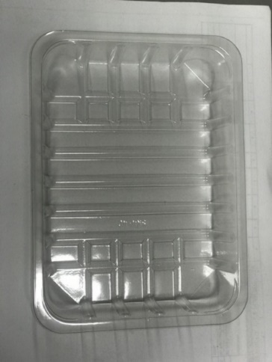 |  |  |  |  | 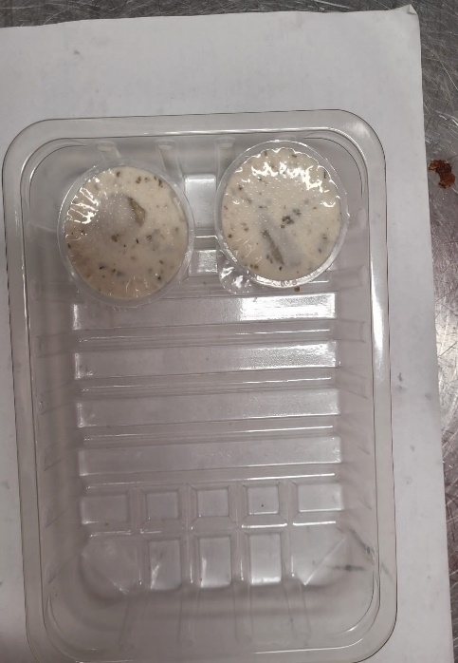

Tray: SK4 Plain Clear (PKESS001-07) |  |  |  |  | 2 x Mint Raita Dip Pot 25g 50g (RMPIQ001-04)
Film: K-peel 7G+25A/f-275mm (PKKMP001-03)
STEP 3 |  |  |  |  | STEP 4
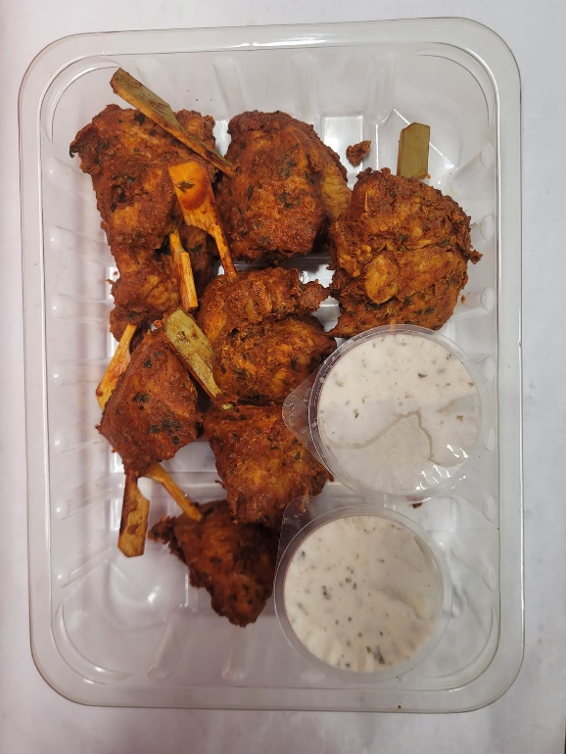

Minimum
8 skewers

8 x Tandoori Chicken Skewers (GFF458R) 190g |  |  |  |  | TOTAL WEIGHT: 240g

ALLERGY ALERT: Milk, Egg

